Diagrams
BMS4 Temperature
 | Fire | Unprotected beam
0 | 20 | 20
1 | 349.21366576 | 46.562035637
2 | 444.50487788 | 94.363759603
3 | 502.28930299 | 146.22516791
4 | 543.88730926 | 206.84962802
5 | 576.41043057 | 273.87346801
6 | 603.11764761 | 334.49352227
7 | 625.77682521 | 391.9292939
8 | 645.45510804 | 444.72567952
9 | 662.84638674 | 492.03743753
10 | 678.42733151 | 530.38506747
11 | 692.53955229 | 566.96305844
12 | 705.43624832 | 598.56875686
13 | 717.31030818 | 625.98952275
14 | 728.312063 | 649.83559176
15 | 738.56095276 | 670.37867537
16 | 748.15345005 | 687.91518011
17 | 757.16859567 | 702.69896264
18 | 765.67196077 | 714.87573774
19 | 773.71854363 | 725.10565771
20 | 781.35492723 | 731.6647499
21 | 788.62091309 | 735.5296888
22 | 795.55077689 | 740.09060942
23 | 802.1742463 | 747.97461279
24 | 808.51727161 | 759.05581011
25 | 814.60263981 | 771.89192942
26 | 820.45046871 | 784.84546475
27 | 826.07860818 | 796.87728958
28 | 831.50296875 | 807.58192501
29 | 836.73779275 | 816.94811813
30 | 841.79587969 | 825.14395563
31 | 846.68877475 | 832.38746471
32 | 851.42692755 | 838.88423708
33 | 856.01982651 | 844.80447772
34 | 860.47611323 | 850.27967088
35 | 864.80368037 | 855.40738473
36 | 869.00975575 | 860.25838499
37 | 873.10097501 | 864.88346721
38 | 877.08344457 | 869.31908772
39 | 880.96279645 | 873.2413188
40 | 884.74423618 | 877.38162573
41 | 888.43258479 | 881.39192695
42 | 892.0323158 | 885.28385471
43 | 895.5475878 | 889.06670071
44 | 898.98227336 | 892.748113
45 | 902.33998466 | 896.33456039
46 | 905.62409632 | 899.83164239
47 | 908.83776582 | 903.24205917
48 | 911.98395168 | 906.56573935
49 | 915.06542988 | 909.81051877
...

SS_B3 Displacements
 | Midspan - 20 N/mm |  | Midspan - 40 N/mm
0 | -21.160164737 | 0 | -42.315963268
0.5 | -21.167029527 | 0.5 | -42.329689996
1 | -21.173955165 | 1 | -42.343538394
1.5 | -21.1865721 | 1.5 | -42.368767019
2 | -21.199386369 | 2 | -42.394390225
2.5 | -21.652916008 | 2.5 | -43.393998543
3 | -22.256613953 | 3 | -47.438669399
3.5 | -23.005614322 | 3.5 | -59.042835976
4 | -23.805805031 | 4 | -79.498525917
4.5 | -24.756566762 | 4.5 | -109.08686095
5 | -25.784925333 | 5 | -139.93893908
5.5 | -26.790032174 | 5.5 | -167.01359988
6 | -27.875137588 | 6 | -192.61893176
6.5 | -28.986491052 | 6.5 | -215.37704941
7 | -30.693525435 | 7 | -236.67254934
7.5 | -32.922071728 | 7.5 | -285.07178623
8 | -35.534369884 | 8 | -381.60279682
8.5 | -38.649604025 | 8.5 | -962.09820388
9 | -42.888515989 | 8.5078125 | -975.27254348
9.5 | -51.990507562 | 8.515625 | -988.27719807
10 | -70.862831658 | 8.5234375 | -1001.1180712
10.5 | -100.10572143 | 8.525390625 | -1004.3033583
11 | -147.03522357 | 8.52734375 | -1007.742128
11.5 | -211.69027056 | 8.5278320312 | -1009.6610439
12 | -319.44156527
12.5 | -503.12395059
12.625 | -734.80886865
12.75 | -1012.2588273
12.7578125 | -1027.9451199
12.759765625 | -1031.8305064
12.76171875 | -1035.7017082
12.762207031 | -1036.6673088
12.762329102 | -1036.9085721
12.762451172 | -1037.1497807
12.762939453 | -1038.1770586
12.763061523 | -1038.5209974
12.763549805 | -1040.6351791
12.764038086 | -1042.8769798
12.764526367 | -1045.107919
12.764556885 | -1045.2469954
12.764587402 | -1045.3860301
12.76461792 | -1045.525023
12.764625549 | -1045.5597646
12.764627457 | -1045.5684497
12.764629364 | -1045.5771345
12.764629841 | -1045.5793057
12.764630318 | -1045.5810987
SS_B3 & SS_B5 Displacements
 | Midspan - 20 N/mm - SS_B3 |  | Midspan - 40 N/mm - SS_B3 |  | Midspan - 20 N/mm - SS_B5 |  | Midspan - 40 N/mm - SS_B5
0 | -21.160164737 | 0 | -42.315963268 | 0 | -21.160164737 | 0 | -42.315963268
0.5 | -21.167029527 | 0.5 | -42.329689996 | 0.125 | -21.174842568 | 0.125 | -42.345310105
1 | -21.173955165 | 1 | -42.343538394 | 0.25 | -21.189541143 | 0.25 | -42.374698434
1.5 | -21.1865721 | 1.5 | -42.368767019 | 0.375 | -21.204260502 | 0.375 | -42.404128333
2 | -21.199386369 | 2 | -42.394390225 | 0.5 | -21.219000683 | 0.5 | -42.433599882
2.5 | -21.652916008 | 2.5 | -43.393998543 | 0.625 | -21.247217892 | 0.625 | -42.490017449
3 | -22.256613953 | 3 | -47.438669399 | 0.75 | -21.275511567 | 0.75 | -42.546587953
3.5 | -23.005614322 | 3.5 | -59.042835976 | 0.875 | -21.303881988 | 0.875 | -42.603523921
4 | -23.805805031 | 4 | -79.498525917 | 1 | -21.332329438 | 1 | -42.662113385
4.5 | -24.756566762 | 4.5 | -109.08686095 | 1.125 | -21.368582976 | 1.125 | -42.737862951
5 | -25.784925333 | 5 | -139.93893908 | 1.25 | -21.404961911 | 1.25 | -42.815004276
5.5 | -26.790032174 | 5.5 | -167.01359988 | 1.375 | -21.441466831 | 1.375 | -42.893015745
6 | -27.875137588 | 6 | -192.61893176 | 1.5 | -21.478098329 | 1.5 | -42.975675953
6.5 | -28.986491052 | 6.5 | -215.37704941 | 1.625 | -21.519885051 | 1.625 | -43.07442594
7 | -30.693525435 | 7 | -236.67254934 | 1.75 | -21.561836949 | 1.75 | -43.176814253
7.5 | -32.922071728 | 7.5 | -285.07178623 | 1.875 | -21.603954906 | 1.875 | -43.288784179
8 | -35.534369884 | 8 | -381.60279682 | 2 | -21.652318367 | 2 | -43.427534093
8.5 | -38.649604025 | 8.5 | -962.09820388 | 2.125 | -21.723263514 | 2.125 | -43.646642105
9 | -42.888515989 | 8.5078125 | -975.27254348 | 2.25 | -21.794667503 | 2.25 | -43.944736903
9.5 | -51.990507562 | 8.515625 | -988.27719807 | 2.375 | -21.866534613 | 2.375 | -44.312247544
10 | -70.862831658 | 8.5234375 | -1001.1180712 | 2.5 | -21.938869172 | 2.5 | -44.747956111
10.5 | -100.10572143 | 8.525390625 | -1004.3033583 | 2.625 | -22.002266351 | 2.625 | -45.184243748
11 | -147.03522357 | 8.52734375 | -1007.742128 | 2.75 | -22.066024495 | 2.75 | -45.649071652
11.5 | -211.69027056 | 8.5278320312 | -1009.6610439 | 2.875 | -22.130146567 | 2.875 | -46.182754893
12 | -319.44156527 |  |  | 3 | -22.194635562 | 3 | -46.758799579
12.5 | -503.12395059 |  |  | 3.125 | -22.274672954 | 3.125 | -47.604042618
12.625 | -734.80886865 |  |  | 3.25 | -22.355278769 | 3.25 | -48.609489547
12.75 | -1012.2588273 |  |  | 3.375 | -22.436458858 | 3.375 | -49.642497988
12.7578125 | -1027.9451199 |  |  | 3.5 | -22.518219246 | 3.5 | -50.681883998
12.759765625 | -1031.8305064 |  |  | 3.625 | -22.601885347 | 3.625 | -51.958672603
12.76171875 | -1035.7017082 |  |  | 3.75 | -22.719684297 | 3.75 | -54.139265674
12.762207031 | -1036.6673088 |  |  | 3.875 | -22.845065118 | 3.875 | -56.82743268
12.762329102 | -1036.9085721 |  |  | 4 | -22.971811522 | 4 | -60.016006303
12.762451172 | -1037.1497807 |  |  | 4.125 | -23.100422466 | 4.125 | -64.182448313
12.762939453 | -1038.1770586 |  |  | 4.25 | -23.230460206 | 4.25 | -69.126276434
12.763061523 | -1038.5209974 |  |  | 4.375 | -23.361954721 | 4.375 | -74.255625497
12.763549805 | -1040.6351791 |  |  | 4.5 | -23.494939156 | 4.5 | -80.984756721
12.764038086 | -1042.8769798 |  |  | 4.625 | -23.650707361 | 4.625 | -89.115028493
12.764526367 | -1045.107919 |  |  | 4.75 | -23.808587065 | 4.75 | -98.584748848
12.764556885 | -1045.2469954 |  |  | 4.875 | -23.96866015 | 4.875 | -108.70676083
12.764587402 | -1045.3860301 |  |  | 5 | -24.131029777 | 5 | -119.70074923
12.76461792 | -1045.525023 |  |  | 5.125 | -24.28312066 | 5.125 | -130.14145565
12.764625549 | -1045.5597646 |  |  | 5.25 | -24.468395714 | 5.25 | -142.78776008
12.764627457 | -1045.5684497 |  |  | 5.375 | -24.656811027 | 5.375 | -156.14712068
12.764629364 | -1045.5771345 |  |  | 5.5 | -24.848564226 | 5.5 | -170.12230276
12.764629841 | -1045.5793057 |  |  | 5.625 | -25.038430763 | 5.625 | -184.62161504
12.764630318 | -1045.5810987 |  |  | 5.75 | -25.231944223 | 5.75 | -199.48607646
 |  |  |  | 5.875 | -25.429431841 | 5.875 | -214.57572987
 |  |  |  | 6 | -25.631314317 | 6 | -229.99509945
 |  |  |  | 6.125 | -25.830531959 | 6.125 | -244.93151141
...

SS_B3 Displacements
 | Midspan - 20 N/mm |  | Midspan - 40 N/mm
20 | -21.160164737 | 20 | -42.315963268
33.28101782 | -21.167029527 | 33.28101782 | -42.329689996
46.56203564 | -21.173955165 | 46.56203564 | -42.343538394
70.46289762 | -21.1865721 | 70.46289762 | -42.368767019
94.3637596 | -21.199386369 | 94.3637596 | -42.394390225
120.29446375 | -21.652916008 | 120.29446375 | -43.393998543
146.2251679 | -22.256613953 | 146.2251679 | -47.438669399
176.53739795 | -23.005614322 | 176.53739795 | -59.042835976
206.849628 | -23.805805031 | 206.849628 | -79.498525917
240.361548 | -24.756566762 | 240.361548 | -109.08686095
273.873468 | -25.784925333 | 273.873468 | -139.93893908
304.18349515 | -26.790032174 | 304.18349515 | -167.01359988
334.4935223 | -27.875137588 | 334.4935223 | -192.61893176
363.2114081 | -28.986491052 | 363.2114081 | -215.37704941
391.9292939 | -30.693525435 | 391.9292939 | -236.67254934
418.3274867 | -32.922071728 | 418.3274867 | -285.07178623
444.7256795 | -35.534369884 | 444.7256795 | -381.60279682
468.3815585 | -38.649604025 | 468.3815585 | -962.09820388
492.0374375 | -42.888515989 | 468.75118161 | -975.27254348
511.2112525 | -51.990507562 | 469.12080472 | -988.27719807
530.3850675 | -70.862831658 | 469.49042783 | -1001.1180712
548.67406295 | -100.10572143 | 469.58283361 | -1004.3033583
566.9630584 | -147.03522357 | 469.67523938 | -1007.742128
582.76590765 | -211.69027056 | 469.69834082 | -1009.6610439
598.5687569 | -319.44156527
612.27913985 | -503.12395059
615.70673559 | -734.80886865
619.13433132 | -1012.2588273
619.34855606 | -1027.9451199
619.40211238 | -1031.8305064
619.45566843 | -1035.7017082
619.46905744 | -1036.6673088
619.47240469 | -1036.9085721
619.47575194 | -1037.1497807
619.48914095 | -1038.1770586
619.49248821 | -1038.5209974
619.50587722 | -1040.6351791
619.5192665 | -1042.8769798
619.53265552 | -1045.107919
619.53349212 | -1045.2469954
619.53432901 | -1045.3860301
619.53516589 | -1045.525023
619.53537511 | -1045.5597646
619.53537511 | -1045.5684497
619.53537511 | -1045.5771345
619.53537511 | -1045.5793057
619.53537511 | -1045.5810987
SS_B3 & SS_B5 Displacements
 | Midspan - 20 N/mm - SS_B3 |  | Midspan - 40 N/mm - SS_B3 |  | Midspan - 20 N/mm - SS_B5 |  | Midspan - 40 N/mm - SS_B5
20 | -21.160164737 | 20 | -42.315963268 | 20 | -21.160164737 | 20 | -42.315963268
33.28101782 | -21.167029527 | 33.28101782 | -42.329689996 | 22.52700975 | -21.174842568 | 22.52700975 | -42.345310105
46.56203564 | -21.173955165 | 46.56203564 | -42.343538394 | 25.0540195 | -21.189541143 | 25.0540195 | -42.374698434
70.46289762 | -21.1865721 | 70.46289762 | -42.368767019 | 27.58102925 | -21.204260502 | 27.58102925 | -42.404128333
94.3637596 | -21.199386369 | 94.3637596 | -42.394390225 | 30.108039 | -21.219000683 | 30.108039 | -42.433599882
120.29446375 | -21.652916008 | 120.29446375 | -43.393998543 | 34.9355545 | -21.247217892 | 34.9355545 | -42.490017449
146.2251679 | -22.256613953 | 146.2251679 | -47.438669399 | 39.76307 | -21.275511567 | 39.76307 | -42.546587953
176.53739795 | -23.005614322 | 176.53739795 | -59.042835976 | 44.5905855 | -21.303881988 | 44.5905855 | -42.603523921
206.849628 | -23.805805031 | 206.849628 | -79.498525917 | 49.418101 | -21.332329438 | 49.418101 | -42.662113385
240.361548 | -24.756566762 | 240.361548 | -109.08686095 | 55.551375 | -21.368582976 | 55.551375 | -42.737862951
273.873468 | -25.784925333 | 273.873468 | -139.93893908 | 61.684649 | -21.404961911 | 61.684649 | -42.815004276
304.18349515 | -26.790032174 | 304.18349515 | -167.01359988 | 67.817923 | -21.441466831 | 67.817923 | -42.893015745
334.4935223 | -27.875137588 | 334.4935223 | -192.61893176 | 73.951197 | -21.478098329 | 73.951197 | -42.975675953
363.2114081 | -28.986491052 | 363.2114081 | -215.37704941 | 80.9217615 | -21.519885051 | 80.9217615 | -43.07442594
391.9292939 | -30.693525435 | 391.9292939 | -236.67254934 | 87.892326 | -21.561836949 | 87.892326 | -43.176814253
418.3274867 | -32.922071728 | 418.3274867 | -285.07178623 | 94.8628905 | -21.603954906 | 94.8628905 | -43.288784179
444.7256795 | -35.534369884 | 444.7256795 | -381.60279682 | 101.833455 | -21.652318367 | 101.833455 | -43.427534093
468.3815585 | -38.649604025 | 468.3815585 | -962.09820388 | 109.35834025 | -21.723263514 | 109.35834025 | -43.646642105
492.0374375 | -42.888515989 | 468.75118161 | -975.27254348 | 116.8832255 | -21.794667503 | 116.8832255 | -43.944736903
511.2112525 | -51.990507562 | 469.12080472 | -988.27719807 | 124.40811075 | -21.866534613 | 124.40811075 | -44.312247544
530.3850675 | -70.862831658 | 469.49042783 | -1001.1180712 | 131.932996 | -21.938869172 | 131.932996 | -44.747956111
548.67406295 | -100.10572143 | 469.58283361 | -1004.3033583 | 138.48814825 | -22.002266351 | 138.48814825 | -45.184243748
566.9630584 | -147.03522357 | 469.67523938 | -1007.742128 | 145.0433005 | -22.066024495 | 145.0433005 | -45.649071652
582.76590765 | -211.69027056 | 469.69834082 | -1009.6610439 | 151.59845275 | -22.130146567 | 151.59845275 | -46.182754893
598.5687569 | -319.44156527 |  |  | 158.153605 | -22.194635562 | 158.153605 | -46.758799579
612.27913985 | -503.12395059 |  |  | 166.23739925 | -22.274672954 | 166.23739925 | -47.604042618
615.70673559 | -734.80886865 |  |  | 174.3211935 | -22.355278769 | 174.3211935 | -48.609489547
619.13433132 | -1012.2588273 |  |  | 182.40498775 | -22.436458858 | 182.40498775 | -49.642497988
619.34855606 | -1027.9451199 |  |  | 190.488782 | -22.518219246 | 190.488782 | -50.681883998
619.40211238 | -1031.8305064 |  |  | 198.701575 | -22.601885347 | 198.701575 | -51.958672603
619.45566843 | -1035.7017082 |  |  | 206.914368 | -22.719684297 | 206.914368 | -54.139265674
619.46905744 | -1036.6673088 |  |  | 215.127161 | -22.845065118 | 215.127161 | -56.82743268
619.47240469 | -1036.9085721 |  |  | 223.339954 | -22.971811522 | 223.339954 | -60.016006303
619.47575194 | -1037.1497807 |  |  | 231.583036 | -23.100422466 | 231.583036 | -64.182448313
619.48914095 | -1038.1770586 |  |  | 239.826118 | -23.230460206 | 239.826118 | -69.126276434
619.49248821 | -1038.5209974 |  |  | 248.0692 | -23.361954721 | 248.0692 | -74.255625497
619.50587722 | -1040.6351791 |  |  | 256.312282 | -23.494939156 | 256.312282 | -80.984756721
619.5192665 | -1042.8769798 |  |  | 265.849936 | -23.650707361 | 265.849936 | -89.115028493
619.53265552 | -1045.107919 |  |  | 275.38759 | -23.808587065 | 275.38759 | -98.584748848
619.53349212 | -1045.2469954 |  |  | 284.925244 | -23.96866015 | 284.925244 | -108.70676083
619.53432901 | -1045.3860301 |  |  | 294.462898 | -24.131029777 | 294.462898 | -119.70074923
619.53516589 | -1045.525023 |  |  | 302.47834925 | -24.28312066 | 302.47834925 | -130.14145565
619.53537511 | -1045.5597646 |  |  | 310.4938005 | -24.468395714 | 310.4938005 | -142.78776008
619.53537511 | -1045.5684497 |  |  | 318.50925175 | -24.656811027 | 318.50925175 | -156.14712068
619.53537511 | -1045.5771345 |  |  | 326.524703 | -24.848564226 | 326.524703 | -170.12230276
619.53537511 | -1045.5793057 |  |  | 334.316621 | -25.038430763 | 334.316621 | -184.62161504
619.53537511 | -1045.5810987 |  |  | 342.108539 | -25.231944223 | 342.108539 | -199.48607646
 |  |  |  | 349.900457 | -25.429431841 | 349.900457 | -214.57572987
 |  |  |  | 357.692375 | -25.631314317 | 357.692375 | -229.99509945
 |  |  |  | 365.19845525 | -25.830531959 | 365.19845525 | -244.93151141
...

Deflected shape
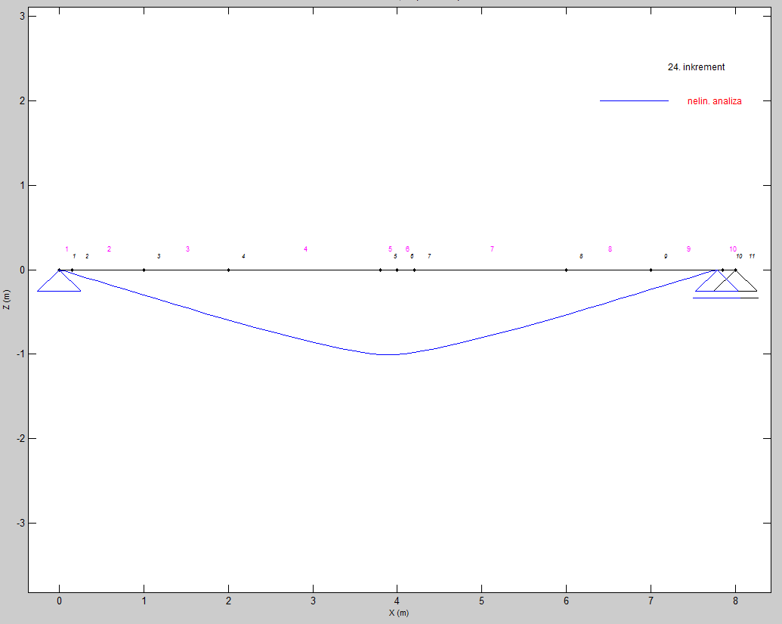
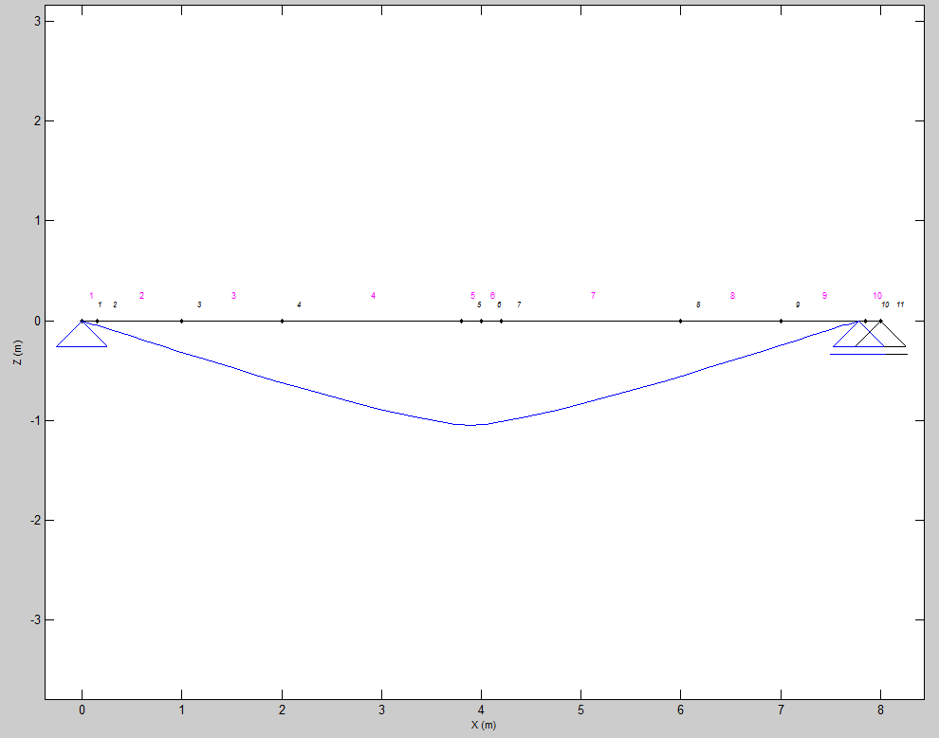

Load = 40 N/mm | Load = 20 N/mm

